UD Abdi Jaya (Bag, Cup, Box)
DATE | INV NO. | DESCRIPTIONS | AMOUNT | BILLS | PRICE | SUBTOTAL | TOTAL
2-Feb-2026 | 0925/JL/UTM/0226 | THINWALL CUP 60 ML 50 PCS | 2 | 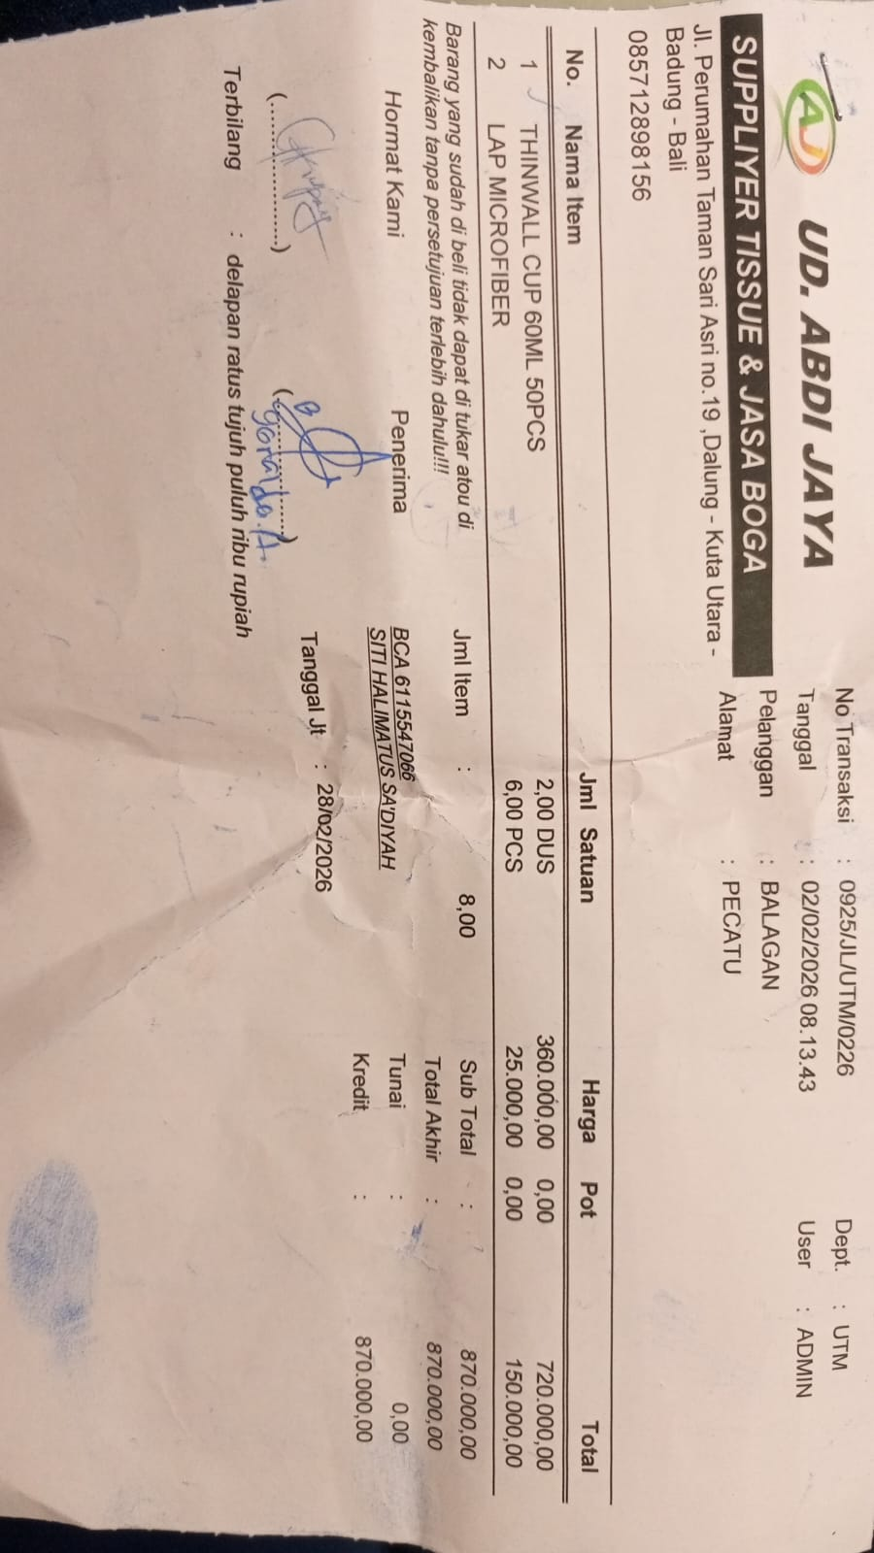 | Rp360,000 | Rp720,000 | Rp870,000
 |  | MIRCOFIBER CLOTH | 6 |  | Rp25,000 | Rp150,000
3-Feb-2026 | 0967/JL/UTM/0226 | LABEL PRICE | 3 | 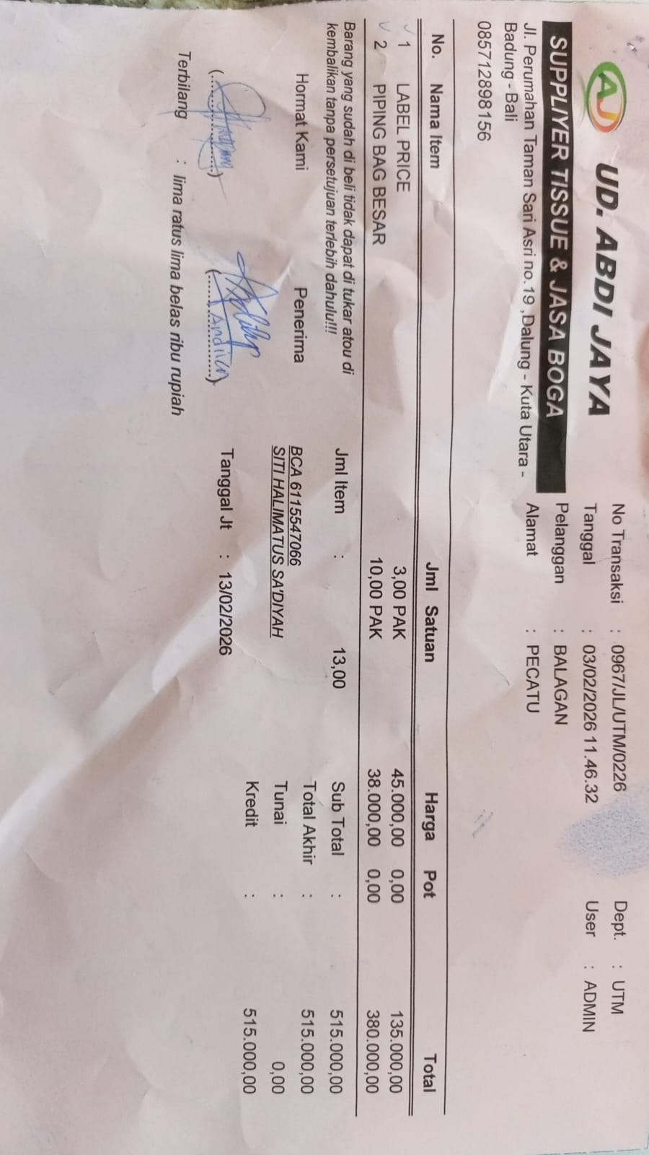 | Rp45,000.00 | Rp135,000.00 | Rp515,000.00
 |  | PIPING BAG | 10 |  | Rp38,000.00 | Rp380,000.00
13-Feb-2026 | 1290/JL/UTM/0226 | FLAME GUN | 3 | 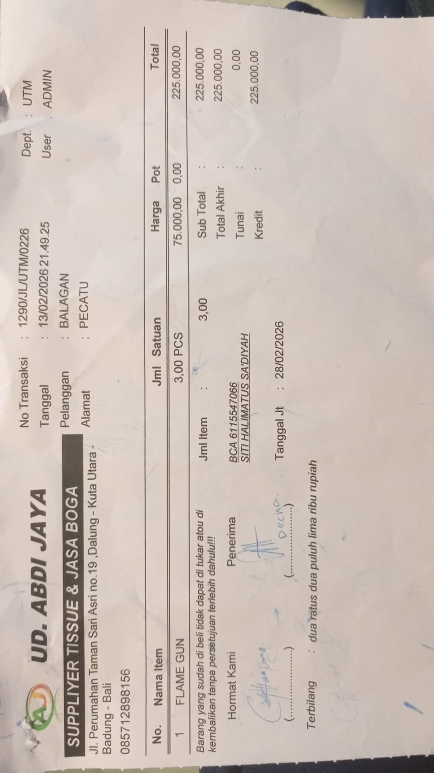 | Rp75,000.00 | Rp225,000.00 | Rp225,000.00
16-Feb-2026 | 1366/JL/UTM/0226 | CUP INJECTION 400 ML + LID 25 PCS | 40 | 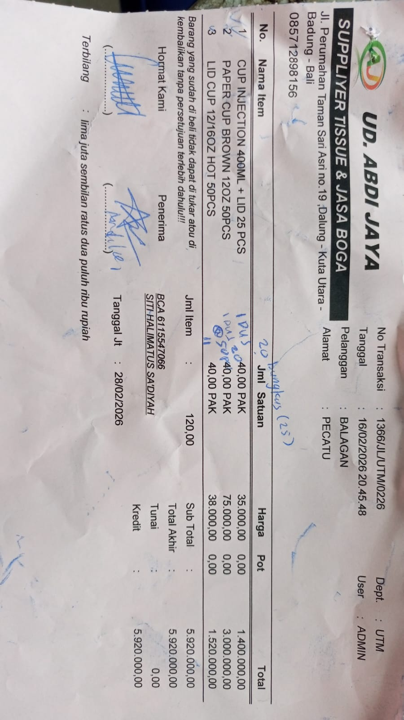 | Rp35,000.00 | Rp1,400,000.00 | Rp5,920,000.00
 |  | PAPER CUP BROWN 12 OZ 50 PCS | 40 |  | Rp75,000.00 | Rp3,000,000.00
 |  | LID CUP 12/16 OZ HOT 50 PCS | 40 |  | Rp38,000.00 | Rp1,520,000.00
17-Feb-2026 | 1419/JL/UTM/0226 | TISSUE COCKTAIL NAPKIN PLENTY 100SX48 | 2 | 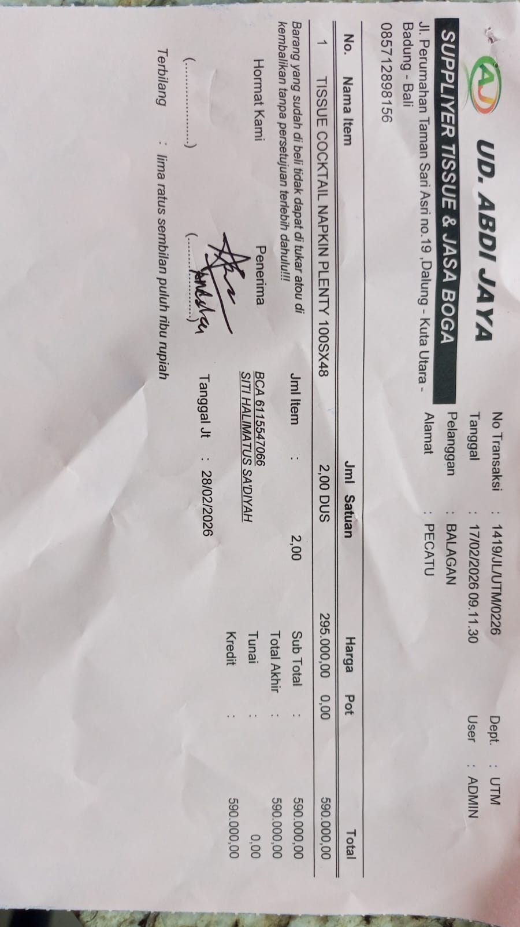 | Rp295,000.00 | Rp590,000.00 | Rp590,000.00
23-Feb-2026 | 1593/JL/UTM/0226 | KILAT PLASTIC 40 | 10 | 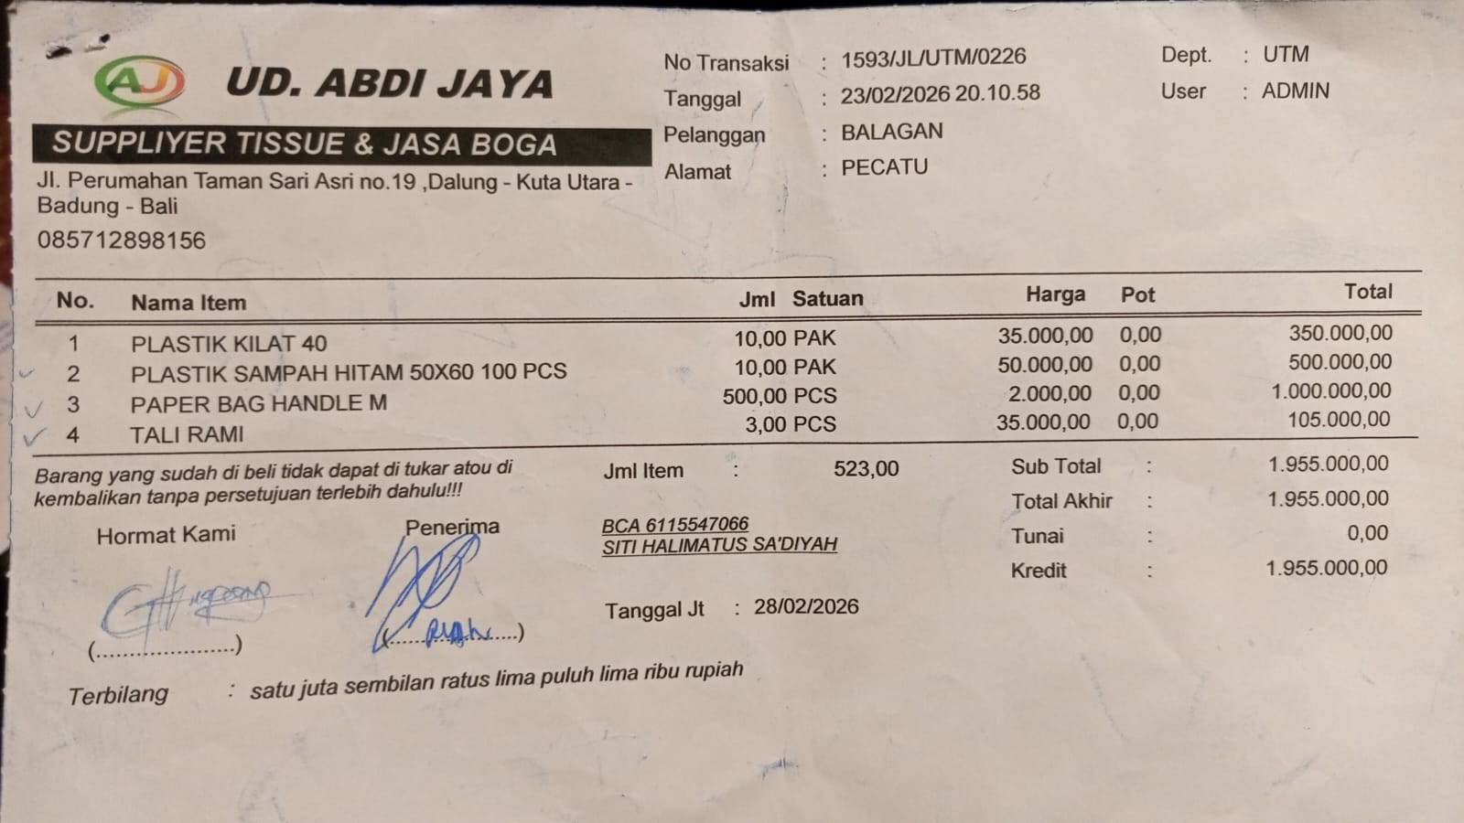 | Rp35,000.00 | Rp350,000.00 | Rp1,955,000.00
 |  | BLACK PLASTIC TRASH BAG 50X60 100 PCS | 10 |  | Rp50,000.00 | Rp500,000.00
 |  | PAPER BAG HANDLE M | 500 |  | Rp2,000.00 | Rp1,000,000.00
 |  | HEMP ROPE | 3 |  | Rp35,000.00 | Rp105,000.00

 |  |  |  |  |  |  | Rp10,075,000.00

